Sample 1
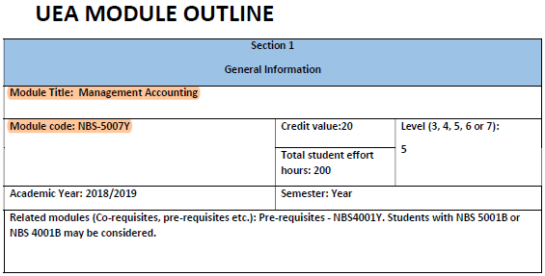
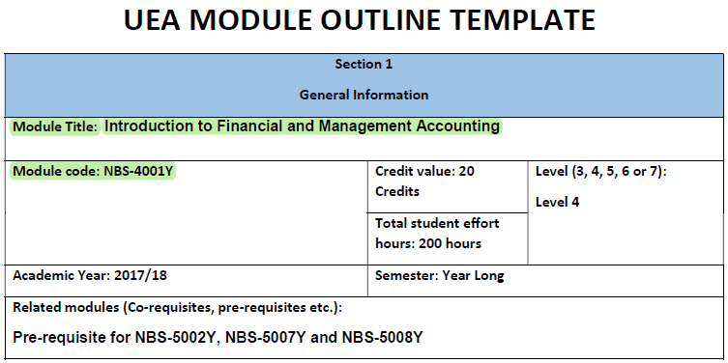
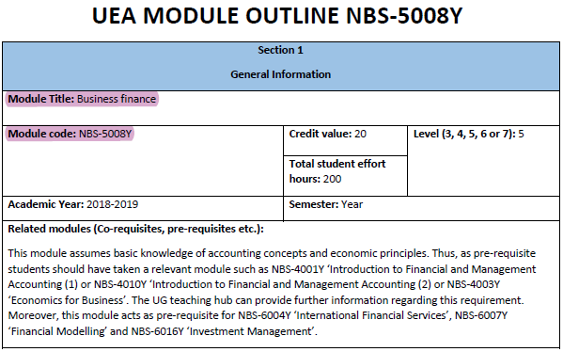
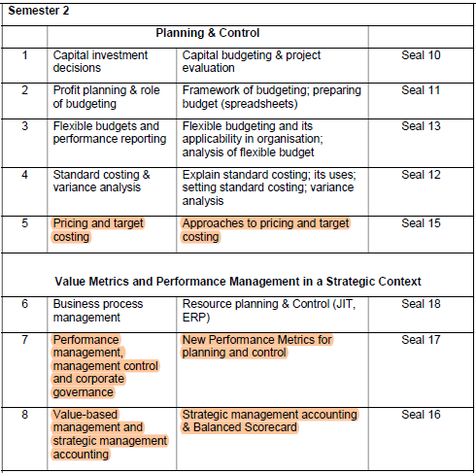
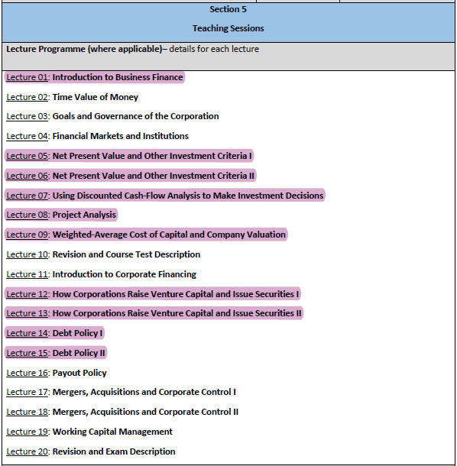
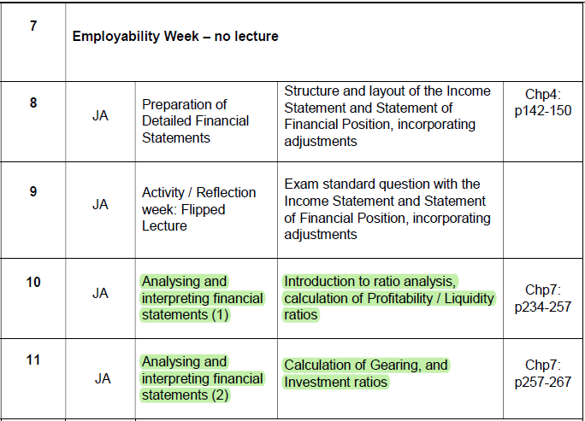
Note: You are not required to fill in this mapping table if: (i) you are using the course(s) of the HKICPA's accredited programme to apply for exemption; or (ii) you are not applying for the exemption of this module.
Module 7 - Financial Management | SAMPLE

Module aim |  | INSRUCTIONS:
This module provides HKICPA students with financial management principles and techniques in providing business information to management for the purposes of planning, control, performance evaluation and decision-making. |  | 1. Fill in ALL relevant courses in the Self-Assessment section in the QP online Application System
 |  | 2. Match the relevant content of the syllabuses of the relevant courses to the appropriate learning outcomes and indicate clearly in the table
Syllabus area
Analyse the financial environment in which businesses operate |  | 3. Upload the syllabuses onto the online Application System
Apply financial risk framework and different methods of managing financial risks
Apply pricing strategies and decisions
Analyse the strategic management accounting framework |  | (Note: Words are highlighted in colour for illustration only while it is optional in your application)
Produce financial analysis
Consider and apply information for effective performance measurement
Explain and analyse different sources of finance and capital structure
Apply appraisal techniques for capital investment projects
Product financial forecasts and evaluate business plans

Corresponding subject(s) in the programme
Learning Outcomes | Corresponding subject name and code, section of the syllabus (Please mark "N/A" in the case that the learning outcome cannot be achieved, and remarks/ supplementary information, if any, related to the learning outcome)
Analyse the financial environment in which businesses operate | Explanatory notes
Explain and analyse the financial environment in which a business entity operates | NBS-5008Y Lecture 1
Apply financial risk framework and different methods of managing financial risks | Explanatory notes
Account for the nature and types of financial risks, explain and compare different methods of managing key financial risks | N/A
Apply pricing strategies and decisions | Explanatory notes
Calculate prices for products and services, apply different pricing approaches considering external market factors and internal cost structures | NBS-5007Y Week 5
Analyse the strategic management accounting framework | Explanatory notes
Describe the key elements of a strategic management accounting framework | NBS-5007Y Week 8
Analyse proposed investment projects | NBS-5008Y Lecture 5-8
Explain the results of a post-appraisal audit of projects | N/A
Produce financial analysis | Explanatory notes
Apply techniques of financial analysis | NBS-4001Y Week 10-11
Evaluate a business entity's financial strategy | N/A
Produce a forecast cash flow statement for a business entity | N/A
Prepare profitability projections | NBS-4001Y Week 10-11
Analyse the liquidity and solvency positions for a business entity | NBS-4001Y Week 10-11
Consider and apply information for effective performance measurement | Explanatory notes
Apply information for effective performance management and consider the relationship between non-financial measures and financial measures | NBS-5007Y Week 7
Explain and analyse different sources of finance and capital structure | Explanatory notes
Explain and analyse the theories of major capital market models | NBS-5008Y Lecture 9, 12-15
Apply appraisal techniques for capital investment projects | Explanatory notes
Apply appropriate appraisal techniques to capital investment projects, explain and compare the strengths and weaknesses of project appraisal techniques | NBS-5008Y Lecture 5-8
Product financial forecasts and evaluate business plans | Explanatory notes
Formulate plans and forecasts for a business entity, and explain the role and composition of business plans in helping an entity achieve its objectives | N/A

Sample - How to fill in "Section 4 - Self-assessment" of the QP application

Sample - How to highlight relevant information in your course syllabus
(use same colour used for the course text in this mapping table to highlight relevant information in your syllabus file)

Sample 2

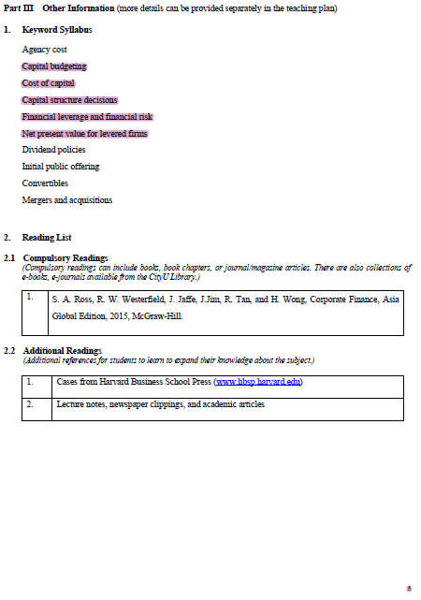
Note: You are not required to fill in this mapping table if: (i) you are using the course(s) of the HKICPA's accredited programme to apply for exemption; or (ii) you are not applying for the exemption of this module.
Module 7 - Financial Management | SAMPLE

Module aim |  |  | INSRUCTIONS:
This module provides HKICPA students with financial management principles and techniques in providing business information to management for the purposes of planning, control, performance evaluation and decision-making. |  |  | 1. Fill in ALL relevant courses in the Self-Assessment section in the QP online Application System
 |  |  | 2. Match the relevant content of the syllabuses of the relevant courses to the appropriate learning outcomes and indicate clearly in the table
Syllabus area
Analyse the financial environment in which businesses operate |  |  | 3. Upload the syllabuses onto the online Application System
Apply financial risk framework and different methods of managing financial risks
Apply pricing strategies and decisions
Analyse the strategic management accounting framework |  |  | (Note: Words are highlighted in colour for illustration only while it is optional in your application)
Produce financial analysis
Consider and apply information for effective performance measurement
Explain and analyse different sources of finance and capital structure
Apply appraisal techniques for capital investment projects
Product financial forecasts and evaluate business plans

Corresponding subject(s) in the programme
Learning Outcomes | Corresponding subject name and code, section of the syllabus (Please mark "N/A" in the case that the learning outcome cannot be achieved, and remarks/ supplementary information, if any, related to the learning outcome)
Analyse the financial environment in which businesses operate | Explanatory notes
Explain and analyse the financial environment in which a business entity operates | N/A
Apply financial risk framework and different methods of managing financial risks | Explanatory notes
Account for the nature and types of financial risks, explain and compare different methods of managing key financial risks | EF 4313 p.5 "Financial leverage and financial risk" | Note: If weekly schedule is not provided in the syllabus, fill in the relevant page / section of the syllabus and the relevant topic(s).
Apply pricing strategies and decisions | Explanatory notes
Calculate prices for products and services, apply different pricing approaches considering external market factors and internal cost structures | N/A
Analyse the strategic management accounting framework | Explanatory notes
Describe the key elements of a strategic management accounting framework | N/A
Analyse proposed investment projects | EF 4313 p.5 "Net present value for leveraged firms" and "Capital budgeting"
Explain the results of a post-appraisal audit of projects | N/A
Produce financial analysis | Explanatory notes
Apply techniques of financial analysis | N/A
Evaluate a business entity's financial strategy | N/A
Produce a forecast cash flow statement for a business entity | N/A
Prepare profitability projections | N/A
Analyse the liquidity and solvency positions for a business entity | N/A
Consider and apply information for effective performance measurement | Explanatory notes
Apply information for effective performance management and consider the relationship between non-financial measures and financial measures | N/A
Explain and analyse different sources of finance and capital structure | Explanatory notes
Explain and analyse the theories of major capital market models | EF 4313 p.5 "Cost of capital" and "Capital structure decisions"
Apply appraisal techniques for capital investment projects | Explanatory notes
Apply appropriate appraisal techniques to capital investment projects, explain and compare the strengths and weaknesses of project appraisal techniques | EF 4313 p.5 "Net present value for leveraged firms" and "Capital budgeting"
Product financial forecasts and evaluate business plans | Explanatory notes
Formulate plans and forecasts for a business entity, and explain the role and composition of business plans in helping an entity achieve its objectives | N/A

Sample - How to highlight relevant information in your course syllabus
(use same colour used for the course text in this mapping table to highlight relevant information in your syllabus file)

Module 10
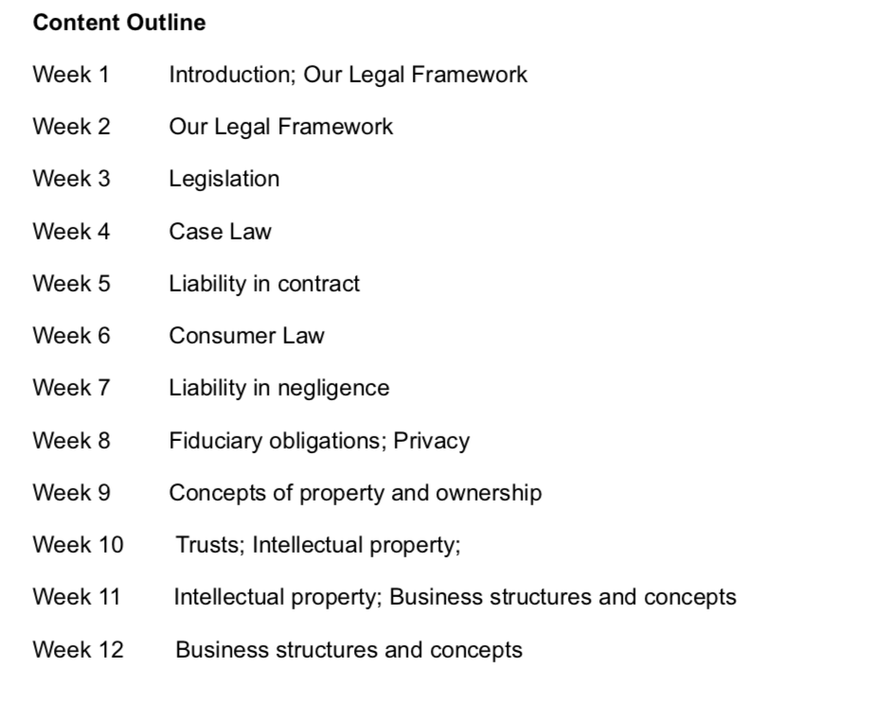

Note: You are not required to fill in this mapping table if: (i) you are using the course(s) of the HKICPA's accredited programme to apply for exemption; or (ii) you are not applying for the exemption of this module.
 | IMPORTANT NOTE: Exemption of M10 (Business and Company Law) is not only limited to graduates who have completed Hong Kong law. Graduates who have studied and passed law subjects in a non-Hong Kong's regime may also be eligible for exemptions of M10 provided that these subjects have substantial coverage of the equivalent learning outcomes of M10.

Module 10 - Business and Company Law

Module aim
This module provides HKICPA students with an understanding of the overall legal framework in which businesses in Hong Kong operate to enable them to analyse and apply the relevant laws and principles applicable to business problems.

Syllabus area
Analyse and apply the key aspects of corporate laws and regulations that govern the different forms of legal entities: • Forms of business entities • Formation of companies • Capital and financing of companies • Administration of companies • Company liquidation and winding up
Explain and apply the key aspects of corporate laws and regulations that govern public companies
Explain the key aspects of the legal system and the key roles of external regulatory bodies in Hong Kong
Analyse and apply the key concepts and principles of the law of tort and negligence
Analyse and apply the key concepts and principles of the contract law
Analyse and apply the key concepts and principles of the consumer laws
Analyse and apply the key concepts and principles of the employment laws
Apply the key concepts and principles of the bribery and corruption laws
Analyse the key aspects of agency relationship

Corresponding subject(s) in the programme
Courses used for exemption (please fill in the box below)

Learning Outcomes | Corresponding subject name and code, section of the syllabus (Please mark "N/A" in the case that the learning outcome cannot be achieved, and remarks/ supplementary information, if any, related to the learning outcome)
Analyse and apply the key aspects of corporate laws and regulations that govern the different forms of legal entities | Explanatory notes
Forms of business entities
Analyse the structures of different types of businesses and apply the relevant legislations
Formation of companies | Explanatory notes
Explain and apply the process of forming an incorporated body
Capital and financing of companies | Explanatory notes
Analyse the legal implications of issuing share capital and loan capital
Administration of companies | Explanatory notes
Analyse how companies make decisions and manage their activities, and apply the rules and requirements to practical business situations
Company liquidation and winding up | Explanatory notes
Analyse and apply the rules and requirements regarding company liquidation and winding up
Explain and apply the schemes of arrangement, reconstruction, and the take-over provisions of the Companies Ordinance
Explain and apply the key aspects of corporate laws and regulations that govern public companies | Explanatory notes
Explain and apply the important rules and requirements applicable to public companies
Explain the key aspects of the legal system and the key roles of external regulatory bodies in Hong Kong | Explanatory notes
Describe the principal features of the Hong Kong legal environment and the key roles of external regulatory bodies
Analyse and apply the key concepts and principles of the law of tort and negligence | Explanatory notes
Analyse and apply the law of tort as it relates to negligence and business liability
Analyse and apply the key concepts and principles of the contract law | Explanatory notes
Analyse the essential elements of a contract and the consequences of breaching a contract, and apply the principles of the contract law to practical business situations
Analyse and apply the key concepts and principles of the consumer laws | Explanatory notes
Analyse and apply the key provisions of the consumer laws in Hong Kong
Analyse and apply the key concepts and principles of the employment laws | Explanatory notes
Analyse and apply the key provisions of the employment laws in Hong Kong
Apply the key concepts and principles of the bribery and corruption laws | Explanatory notes
Apply the key provisions of the bribery and corruption laws in Hong Kong
Analyse the key aspects of agency relationship | Explanatory notes
Analyse the essential elements of agency relationship

